oem cmd
we want to dump cpld dual boot image and use the following command. But got response, CC because CPLDRadix is 0x80 != 0xEx

0x30 0x68 0x28 0x09 Read cpld reg

UtilCPLDROT_addTask(READCPLDFLASH);

 | dump cpld flash to
 | char *file_dst = "/tmp/cpld_flash_dump.bin";

Set at_b_CPLDRadix to 0xE0 to run dump cpld flash()
user oem cmd as following can get image.
but bmc will reboot.
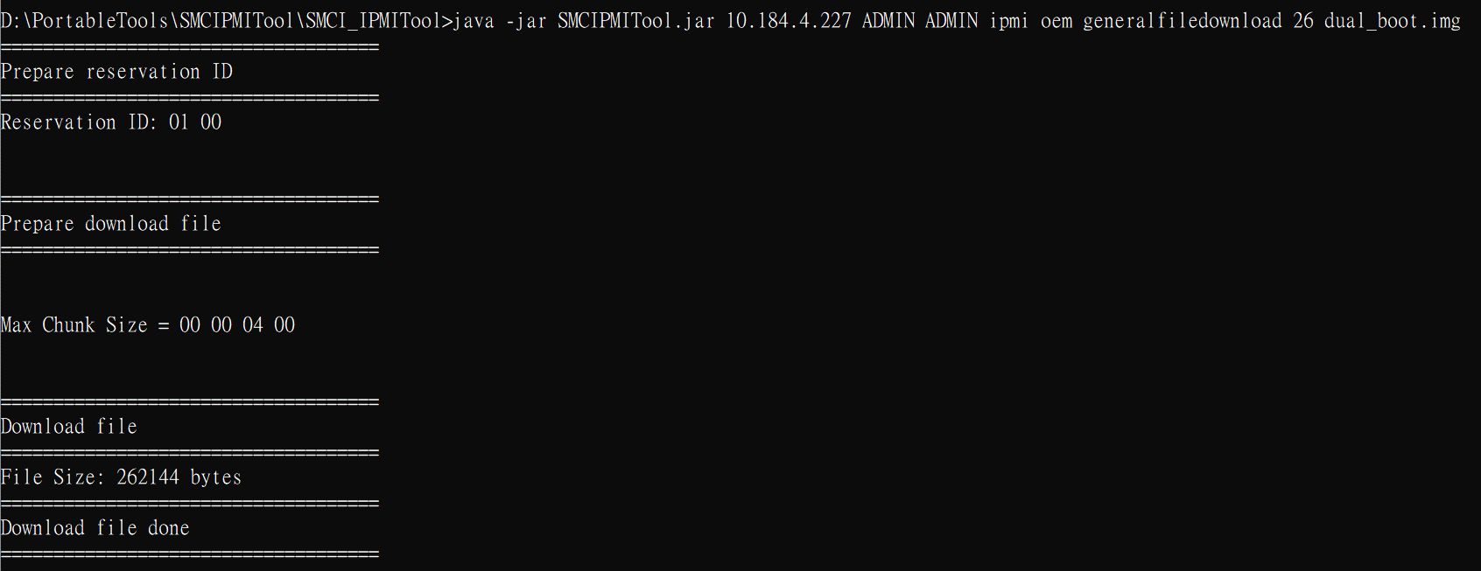

CompareCpldImage --> will get error if Not DC ON

CompareCpldImage --> success (DC ON)

